BOM
Item | Part Number | Thumbnail | BOM Structure | Unit QTY | QTY | Stock Number | Description | REV
1 | COM_23 | 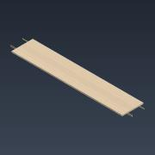 | Normal | Each | 1 |  | Top of Commode
2 | COM_10 | 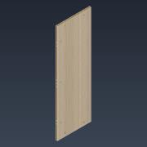 | Normal | Each | 1 |  | Left Side of Commode
3 | COM_02 | 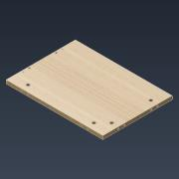 | Normal | Each | 1 |  | Bottom of Commode
4 | COM_16 | 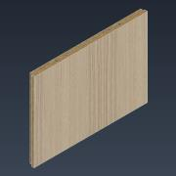 | Normal | Each | 1 |  | Right Side of Commode
5 | COM_24 | 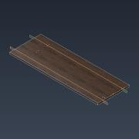 | Normal | Each | 1 |  | Top of Drawer Block
6 | COM_11 | 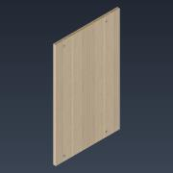 | Normal | Each | 1 |  | Left Side of Drawer Block
7 | COM_03 | 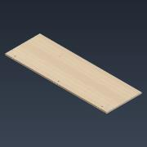 | Normal | Each | 1 |  | Bottom of Drawer Block
8 | COM_17 | 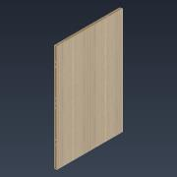 | Normal | Each | 1 |  | Right Side of Drawer Block
9 | COM_12 | 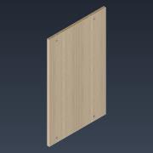 | Normal | Each | 1 |  | Left Vertical Partition of Drawer Block
10 | COM_25 | 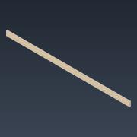 | Normal | Each | 1 |  | Top Plynth of Commode
11 | COM_08 | 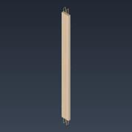 | Normal | Each | 1 |  | Left Plynth of Commode
12 | COM_04 | 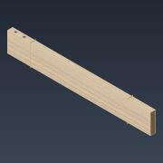 | Normal | Each | 1 |  | Bottom Plynth of Commode
13 | COM_13 | 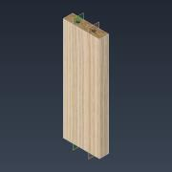 | Normal | Each | 1 |  | Right Plynth of Commode
14 | COM_05 | 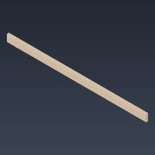 | Normal | Each | 1 |  | Bottom Plynth of Drawer Block
15 | COM_14 | 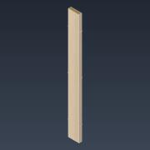 | Normal | Each | 1 |  | Right Plynth of Drawer Block
16 | COM_18 | 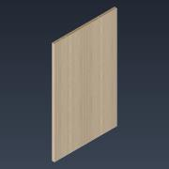 | Normal | Each | 1 |  | Right Vertical Partition of Drawer Block
17 | COM_06 | 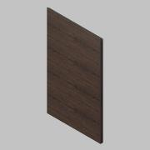 | Normal | Each | 1 |  | Door of Drawer Block
18 | COM_07 | 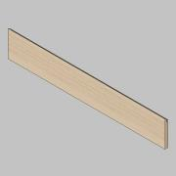 | Normal | Each | 4 |  | Facade of Drawer
19 | COM_20 | 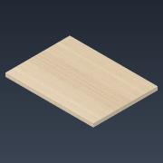 | Normal | Each | 2 |  | Shelf
20 | COM_26 | 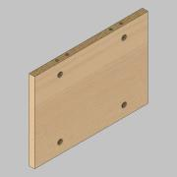 | Normal | Each | 1 |  | Vertical Partition of Commode
21 | COM_19 | 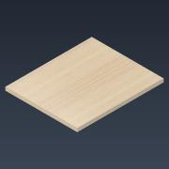 | Normal | Each | 2 |  | Shelf of Drawer Block
22 | COM_09 | 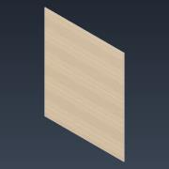 | Normal | Each | 1 |  | Left Side of Back
23 | COM_15 | 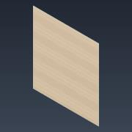 | Normal | Each | 1 |  | Right Side of Back
24 | COM_01 | 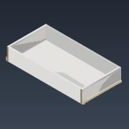 | Normal | Each | 4 |  | Partial Pull Drawer 30 kg

